ML Algorithms-25 Apr
AI Application
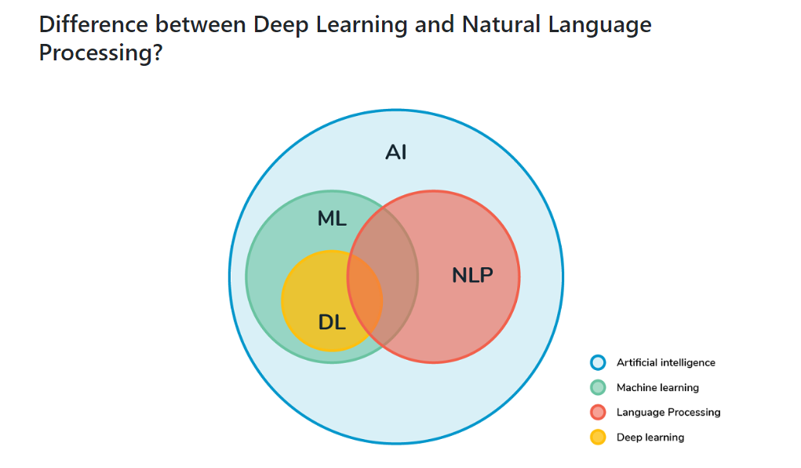

ML
 |  |  |  |  |  |  | ML | Statistical modelling
 |  |  |  |  |  |  |  | Supervised Learning |  |  | input | output
 |  |  |  |  |  |  |  |  |  |  | 50 cols | label data/integer data

DL
 |  |  |  |  |  |  |  | Unsupervised Learning |  |  | input | No output |  | Reliance
 |  |  |  |  |  |  |  |  |  |  |  |  |  |  | Categorize the users
 |  |  |  |  |  |  |  |  |  |  | Grouping |  |  |  |  | Low Subcription | <300
 |  |  |  |  |  |  |  |  |  |  | clustering |  |  |  |  | Med subscription | 300 - 600
 |  |  |  |  |  |  |  |  |  |  |  |  |  |  |  | High Subscription | > 600

 |  |  |  |  |  |  |  | Reinforcement Learning
 |  |  |  |  |  |  |  |  |  |  | Semi supervised Learning |  |  | Mixture of Supervised/Unsupervised learning

 |  |  |  |  |  |  | DL
 |  |  |  |  |  |  |  | How to mimic human brain
 |  |  |  |  |  |  |  | Neural Network |  | neurons - biological neurons |  |  | neurons - artificial ( designed by human )

 |  |  |  |  |  |  |  |  |  |  |  |  |  | Data

 |  |  |  |  |  |  |  | Biological - Neurons |  |  |  |  |  | Artifical - Neurons

 |  |  |  |  |  |  |  | ANN | Artificial Neural Network |  |  | input Data - tabular format , standard format
 |  |  |  |  |  |  |  | CNN | Convolution Neural Network |  |  | input Image |  | CV
 |  |  |  |  |  |  |  | RNN | Recurrent Neural Network |  |  | input Text |  | NLP

 |  |  |  |  |  |  |  |  | ML |  |  |  | DL
 |  |  |  |  |  |  |  |  | Less Data - Structured Data |  |  |  | Huge Data - Unstructured / Structured
 |  |  |  |  |  |  |  |  | Less complex |  |  |  | Faster & can do complex algorithms

 |  |  |  |  |  |  | Computer Vision |  | Images / Object detection techniques in Images/Videos
 |  |  |  |  |  |  |  | Network Models | LeeNet
 |  |  |  |  |  |  |  |  | AlexNet
 |  |  |  |  |  |  |  |  | Inception5
 |  |  |  |  |  |  |  |  | VGG16/VGG19
 |  |  |  |  |  |  |  | Design your own Modeling |  | TensorFlow 1
 |  |  |  |  |  |  |  |  |  | TensorFlow 2
 |  |  |  |  |  |  |  |  |  | Detectron2
 |  |  |  |  |  |  |  |  |  | Yolov5

 |  |  |  |  |  |  | NLP
 |  |  |  |  |  |  |  | Text features
 |  |  |  |  |  |  |  |  | Grammerly .

 |  |  |  |  |  |  |  |  |  | Story |  | Summerize
 |  |  |  |  |  |  |  |  |  | 1500 chars |  | 300 chars

 |  |  |  |  |  |  |  |  |  | speech recognition
 |  |  |  |  |  |  |  |  |  | Alexa
 |  |  |  |  |  |  |  |  |  | Sophia

 |  |  |  |  |  |  |  | ChatBot

 | ML
 |  | Supervised Learning |  |  |  |  |  |  | Unsupervised Learning
 |  |  |  |  |  | Regression Problem |  |  |  | Kmeans Clustering |  |  |  | No output
 |  |  | Linear Regression |  | Regression | x1,x2,x3….X50 | y |  |  | Hierarchical Clustering |  |  |  |  | Categorization
 |  |  |  |  |  | 12K , 40 , …. , 9999999 | 12 lakhs |  |  | DBScan |  |  |  |  | Clustering mechanism
 |  |  | Logistic Regression |  | Classification
 |  |  |  |  |  |  |  |  |  |  |  |  |  | Grouping
 |  |  | KNN ( K Nearest Neibour ) |  | R & C |  |  |  |  | PCA ( Principal Component Analysis )
 |  |  | SVM [ SVC , SVR ] |  | R & C
 |  |  | Naïve Bayes |  | Classification
 |  |  |  |  |  | Model
 |  |  | Decision Tree |  | R & C
 |  |  | Bagging | Random Forest | R & C | 08K,25,….,98789 | 8.09 lakh
 |  |  | Boosting
 |  |  |  | Ada Boost | R & C
 |  |  |  | Gradient Boost | R & C
 |  |  |  | XGBoost | R & C
 |  |  | Stacking |  | R & C | Classification Problem
 |  |  |  |  |  | x1,x2,x3….X50 | y
 |  |  |  |  |  |  | true/false
 |  |  |  |  |  |  | 1 ./ 0
 |  |  |  |  |  |  | Odisha , Delhi , Gujrat

 |  |  |  |  |  | Model

 |  |  |  |  |  | hindi | Kolkata

